ITP Master Body
 |  |  |  |  |  |  | [BLANK] Inspection and Test Plan
 |  |  |  |  |  |  | Project: Peacocke Whatukooruru Drive
 |  |  |  |  |  |  | Number and Revision: DS1205 - 1- Rev D

Item No. | Inspection and Test Point | Acceptance / Conformance Criteria | Standard / Specification | Verifying Document | Frequency | Verification Activity
 |  |  |  |  |  | Activity | By
SECTION 3 – PRE-CONSTRUCTION (P&G / ESTABLISHMENT)
3.01 | Site Requirements
3.01.01 | Construction Pack | Methodology and ITP to be submitted to the Engineer and approved prior to works beginning | Downer | Approved ITP on CONQA | Submit 10 days prior to commencement of works | HP | ENG
3.01.02 | Survey Setout | Survey Set out as per contract drawings and specification, capturing pre-construction levels where needed. | Downer | Survey Records | Prior to Works | H | SV
3.01.03 | Service Location | Complete the Excavation permit process to identify, locate and protect all services. | Downer | Excavation Permit | Prior to Excavation | H | SE
3.01.04 | Internal Permits | Complete internal Permits as required to complete works including but not limited to: Hot works, concrete saw, lift, confined space, working at height etc. | Downer | Internal Permits | Prior to Excavation | H | SE
3.01.05 | External Permits | Obtain External Permits as required to complete works including but not limited to: Close approach, Worksafe Notice etc. | Downer | External Permits | Prior to Excavation | H | PE
3.01.06 | Approved Construction Drawings | Prior to starting works, Ensure that the construction drawings are both IFC and the Current Version. | Downer | IFC Drawings | Prior to works start | H | PE

SECTION 4 – MATERIAL, PERSONNEL & THIRD PARTY APPROVAL
4.01 | Precast Traffic Barrier
4.01.01 | Precast Traffic Barrier | All precast barrier QA to be in separate ITP for precast element. – This item to be acceptance of precast QA ITP | PS-1 | BBO | Before Installation | H | PE
4.01.02 | Ellipse Handrail | Eclipse handrail QA to demonstrate compliance with Structural steel notes on IFC DWG 4001 (refer to fabrication ITP) | Structural steel notes on IFC DWG 4001 | Shop Drawing/Material Certificate/PDS | Before Installation | H | PE
4.01.03 | Non-Conductive Barrier Coating | Non-Conductive Barrier Coating to be Carboguard 636 XT (approved in RFI-0263), min. 150 microns to be applied to underside and side of baseplate (refer to fabrication ITP) | AS/NZS 2312/HERA Report | Shop Drawing/Coating Certificate/delivery dockets | Before Installation | H | PE
4.01.04 | Fall Protection Wire Rope | Wire rope shall be 6mm stainless steel wire rope or otherwise approved; Material certs to demonstrate compliance of SS wire rope to be SS316 as per NZTA M23 Appendix B Rev.2 | NZTA M23 Appendix B Rev.2 & NTT003 | Material Certification | Before Installation | H | PE
4.01.05 | M16 & M24 bolts, washers and nuts | Property Class 8.8 Hold Down Bolts, HDG | AS/NZS 3845.1: 2015 AS 3569 AS2759 | Material Certification | Before Installation | H | PE
4.01.06 | Sleeve Member and Pin on bottom of Sleeve, Base Plate and Rail Vertical Posts, Rail Termination Cap | Material certs to demonstrate compliance with Structural steel notes on IFC DWG 4001 (refer to fabrication ITP) | Structural steel notes on IFC DWG 4001 | Material Certification | Before Installation | H | PE
4.01.07 | Wire Rope Termination | Material cert on U bolt or similar approved for safety wire rope termination detail | Structural steel notes on IFC DWG 4001 | Material Certification | Before Installation | H | PE

SECTION 5 – CONSTRUCTION ACTIVITY
5.01 | Precast Barrier and Texas Rail Erection Inspection and Testing
5.01.01 | Temporary Works (Stitch Pour Formwork) | Temporary works to be installed as per design drawings. Permit to load to be issued by temporary works inspector prior to loading element | Downer | Permit to load/Inspection | As defined in the temporary works design | HP | ENG
5.01.02 | Cast-In M24 Bolt | Re-check all bolt assemblies are Class 8.8 high strength unless otherwise specified on the drawings | NZS 3404.1 | IFC/Material Certification | Before Installation | H | PE
5.01.03 | Check cast-in bolt set-out | As-built bolt locations, and overall alignment of precast barriers, for rail baseplate hole positioning. Set-out shims/packers | Downer | Survey Data | Before Installation | HP | ENG
5.01.04 | Baseplate and Ellipse Handrail tolerance | 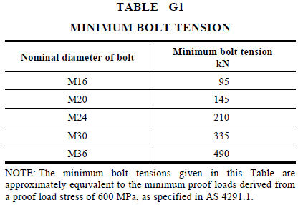 Install vertical post with handrail and partly tension bolts onto the baseplate. Ensure tensioning tolerances for steelwork/bolts are checked. | Downer/AS/NZS 5131: 2016 | Hold Point Release | Before Installation | H | PE
Rev.D
5.01.05 | Tension bolts | Check each bolt has a washer, nut and locknut and tension all bolts using part turn methodology | AS/NZS 5131: 2016 A1 Section 8.5 | Photo/Site-Approval | Each Baseplate | I | SE
5.01.06 | Grouting under baseplate | While Hi-ab is holding the handrail components, adjust/tighten, and apply Sika212 or similar (approved by Engineer) to the underside of the baseplate (nom. 15mm) | AS/NZS 5131: 2017 | PDS | Each Baseplate | I | SE
5.01.07 | Fall Protection Wire Rope | 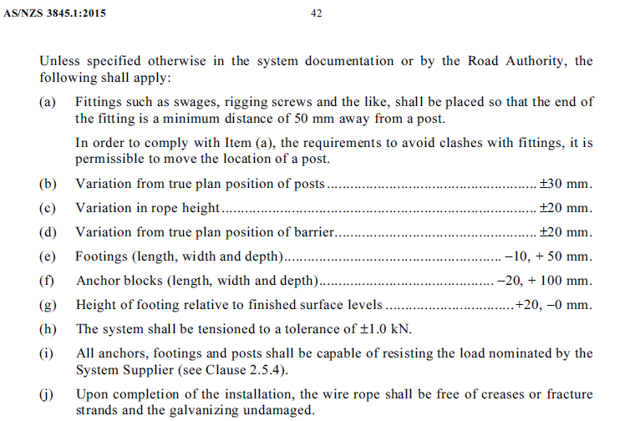 Prior to installation make sure wire ropes are free from: wear or scraping, kinking, crushing, bird caging damages. Wire Rope to be installed within the following tolerance | AS/NZS 3845.1: 2015 | Inspection/Site-Approval | Before Installation | H | PE

SECTION 6 – POST CONSTRUCTION (FINAL INSPECTION AND HANDOVER)
6.01 | General
6.01.01 | Construction Record Compilation | Compile construction records for final submission ensuring defects (NCRs) / Snags / missing records are captured or closed out, all tests have been received and passed, and changes / omissions have been noted. | Downer | Records | Post construction | H | SE
6.01.02 | Survey Records | Ensure all items have been surveyed and records are assembled for asbuilting | Downer | Records | Post construction | H | SV
6.01.03 | Redline Drawings | Create a set of Redline Drawings for Asbuilt creation noting all changes and departures in red pen. Red line to show any changes to footpath location or basecourse depth. | Downer | Redlines | Post construction | H | PE
6.01.04 | Defect, Snag and Punch List | Update the project Defect, Snag and Punch List Register | Downer | Register | Post construction | H | PE

